Bug Report
Defect ID | Testcase ID | DefectDescription | Test Procedure | Defect Severity | Defect priority | Name | Reviewed by | Status | Screenshot
DF_01 |  | Play button is not displaying any action/output when clicked | 1. Open Chrome browser 2. Type the URL as https://demo.guru99.com/test/newtours/ 3.Click Selenium 4.click flash movie demo 5.click play button | Critical | HIGH | Ananya | QA Lead | 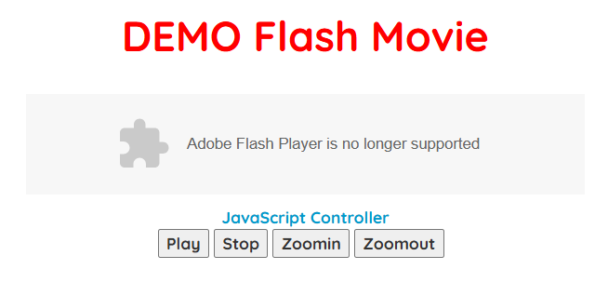 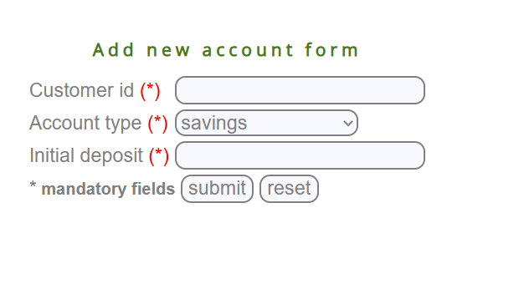 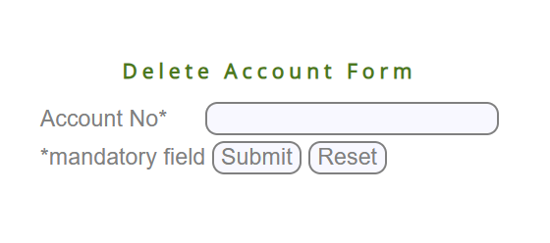 New
DF_02 |  | Stop button is not displaying any action/output when clicked | 1. Open Chrome browser 2. Type the URL as https://demo.guru99.com/test/newtours/ 3.Click Selenium 4.click flash movie demo 5.click stopbutton | Critical | HIGH | Ananya | QA Lead | New
DF_03 |  | Zoomin button is not displaying any action/output when clicked | 1. Open Chrome browser 2. Type the URL as https://demo.guru99.com/test/newtours/ 3.Click Selenium 4.click flash movie demo 5.click Zoominbutton | Critical | HIGH | Ananya | QA Lead | New
DF_04 |  | Zommout button is not displaying any action/output when clicked | 1. Open Chrome browser 2. Type the URL as https://demo.guru99.com/test/newtours/ 3.Click Selenium 4.click flash movie demo 5.click Zoomout button | Critical | HIGH | Ananya | QA Lead | New
DF_05 |  | When reset button clicked the validation message not disappearing | 1. Open Chrome browser 2. Type the URL as https://demo.guru99.com/test/newtours/ 3.Click Selenium 4.click Ajax test 5.select yes or no button 6. click check button 7. click reset button | Low | Low | Ananya | QA Lead | New
DF_06 |  | Any customer id accepting for customer ID delete form | 1. Open Chrome browser 2. Type the URL as https://demo.guru99.com/test/newtours/ 3.Click Selenium 4.click Delete customer 5. Enter wrong cutomer ID 6. click submit | Critical | HIGH | Ananya | QA Lead | New | 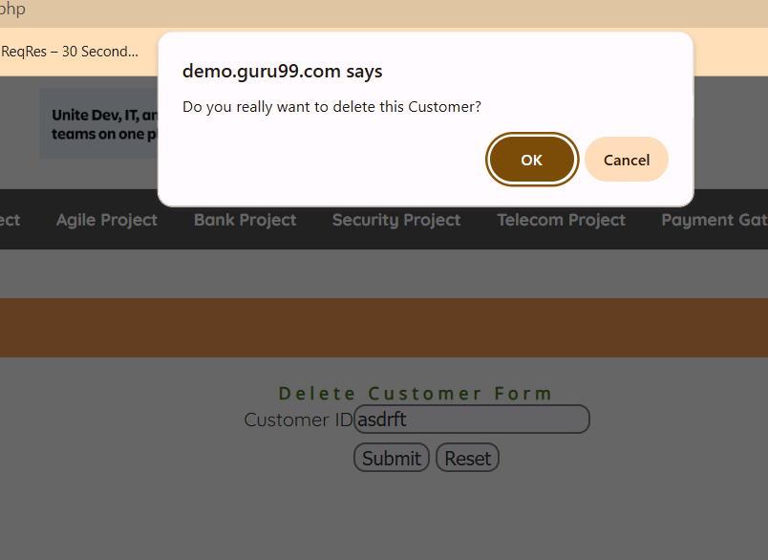
DF_07 |  | Customer ID form accepted alphabets | 1. Open Chrome browser 2. Type the URL as https://demo.guru99.com/test/newtours/ 3.Click Selenium 4.click Delete customer 5. Enteralphabets for cutomer ID 6. click submit | Critical | HIGH | Ananya | QA Lead | New
DF_08 |  | Accepting file upload without clicking terms and condition | 1. Open Chrome browser 2. Type the URL as https://demo.guru99.com/test/newtours/ 3.Click Selenium 4.click File upload 5. Click choose file upload and upload any file 6.click submit file | Critical | HIGH | Ananya | QA Lead | New
DF_09 |  | without uploading file the file upload successful message is displaying | 1. Open Chrome browser 2. Type the URL as https://demo.guru99.com/test/newtours/ 3.Click Selenium 4.click File upload 5. click submit file | Critical | HIGH | Ananya | QA Lead | 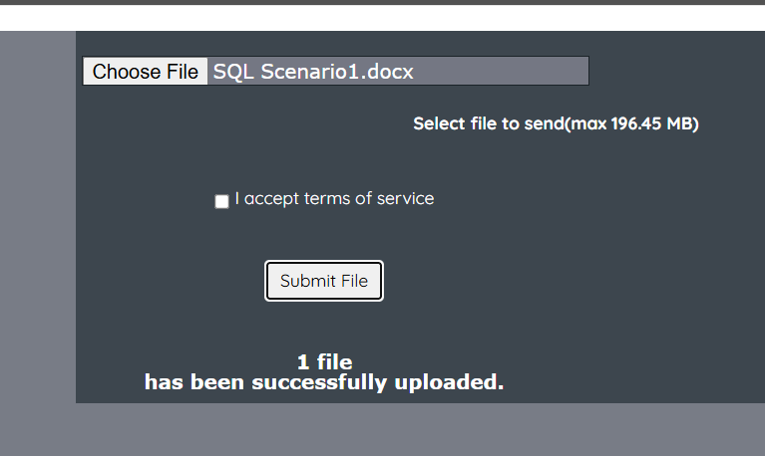 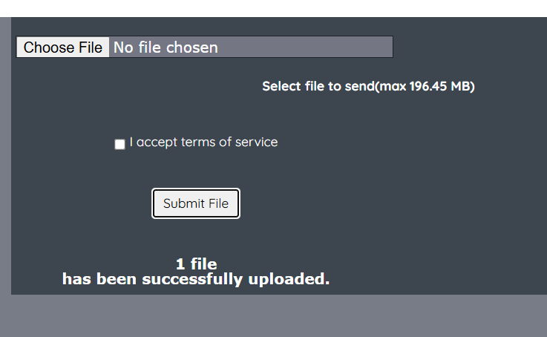 New
DF_10 |  | In login form unregistered email and password is acceptiong | 1. Open Chrome browser 2. Type the URL as https://demo.guru99.com/test/newtours/ 3.Click Selenium 4.click login 5. Enter unregistered email and password 6.click sign in | Critical | HIGH | Ananya | QA Lead | New
DF_11 |  | clicked submit button without entering data and it gave succefull message | 1. Open Chrome browser 2. Type the URL as https://demo.guru99.com/test/newtours/ 3.Click Selenium 4.click login 5. click sign in | Critical | HIGH | Ananya | QA Lead | 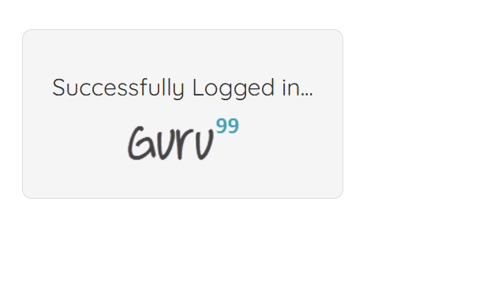 New
DF_12 |  | Forgot password is not clickable | 1. Open Chrome browser 2. Type the URL as https://demo.guru99.com/test/newtours/ 3.Click Selenium 4.click login 5. click Forgot password | Critical | HIGH | Ananya | QA Lead | New | 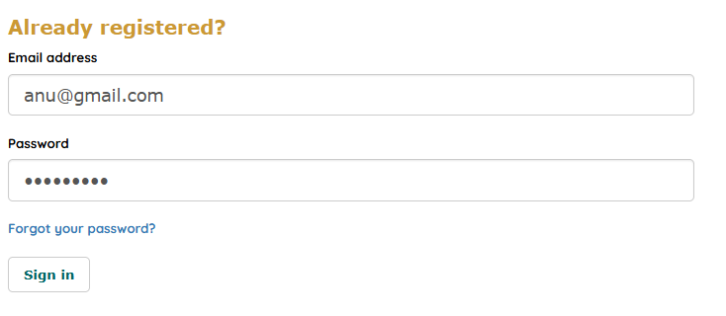
DF_13 |  | Accepting invalid email and password | 1. Open Chrome browser 2. Type the URL as https://demo.guru99.com/test/newtours/ 3.Click Selenium 4.click login 5. Enter invalid email and password 6.click sign in | Critical | HIGH | Ananya | QA Lead | New
DF_14 |  | The email field is accepting invalid email | 1. Open Chrome browser 2. Type the URL as https://demo.guru99.com/test/newtours/ 3.Click Selenium 4.click social icon demo 5. Click mail icon 6.Enter invalid email 7. click subscription button | Critical | HIGH | Ananya | QA Lead | New
DF_15 |  | The valid mail id is not accepting | 1. Open Chrome browser 2. Type the URL as https://demo.guru99.com/test/newtours/ 3.Click Selenium 4.click social icon demo 5. Click mail icon 6.Enter valid email in the bottom side 7. click subscription for free button | Major | HIGH | Ananya | QA Lead | New
DF_16 |  | The course and course contents accepting numbers | 1. Open Chrome browser 2. Type the URL as https://demo.guru99.com/test/newtours/ 3.Click Selenium 4.click social auto id 5. Click create A course 6.Enter all filds , the course and course contend should be number | Major | MEDIUM | Ananya | QA Lead | 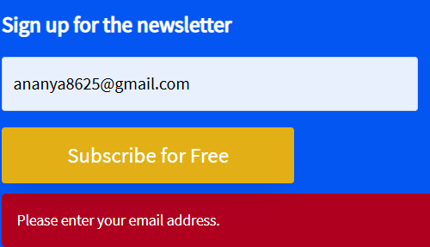 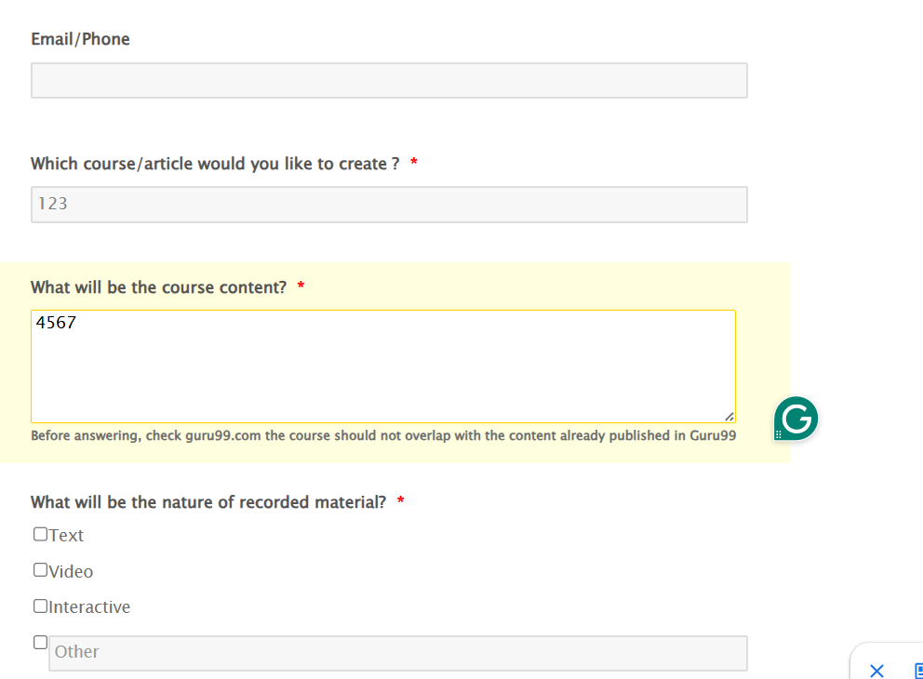 New
DF_17 |  | After clicking login button without entering datas . it accepted | 1. Open Chrome browser 2. Type the URL as https://demo.guru99.com/test/newtours/ 3.Click Selenium 4.click selenium IDE test 5. Click login | Critical | HIGH | Ananya | QA Lead | 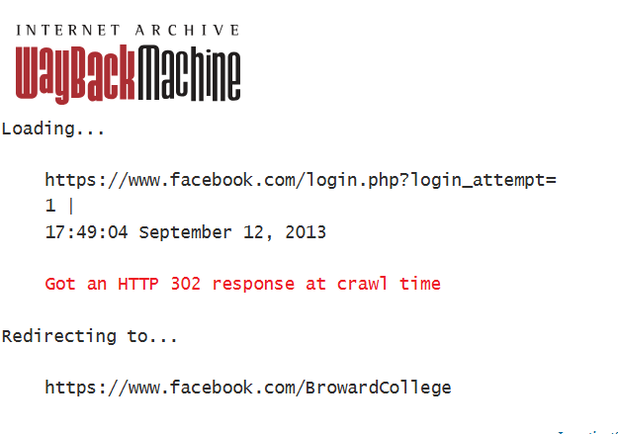 New
DF_18 |  | Clicked forgot password, it navigated wrong page | 1. Open Chrome browser 2. Type the URL as https://demo.guru99.com/test/newtours/ 3.Click Selenium 4.click selenium IDE test 5. Click forgot password | Critical | HIGH | Ananya | QA Lead | New
DF_19 |  | Entered invalid email and password. It accepted | 1. Open Chrome browser 2. Type the URL as https://demo.guru99.com/test/newtours/ 3.Click Selenium 4.click selenium IDE test 5.Entered invalid email and password | Critical | HIGH | Ananya | QA Lead | New
DF_20 |  | Selected a future date and time and clicked submit button. The date and time accepted without any validation message | 1. Open Chrome browser 2. Type the URL as https://demo.guru99.com/test/newtours/ 3.Click Selenium 4.click selenium date picker demo 5.select future data and time 6. click submit | Major | HIGH | Ananya | QA Lead | New | 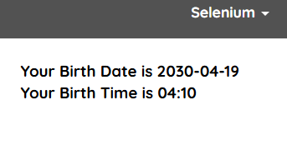
DF_21 |  | The insurance project registration form accepted without any data. No validation message shows | 1. Open Chrome browser 2. Type the URL as https://demo.guru99.com/test/newtours/ 3.Click Insurance project 4.click register 5.click create | Major | HIGH | Ananya | QA Lead | 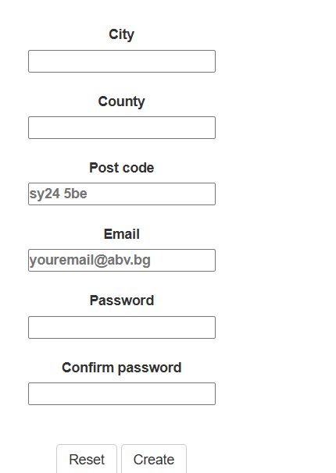 New
DF_22 |  | The post code accepted more than 6 digits | 1. Open Chrome browser 2. Type the URL as https://demo.guru99.com/test/newtours/ 3.Click Insurance project 4.click register 5.Enter post code 6. click create | Major | HIGH | Ananya | QA Lead | 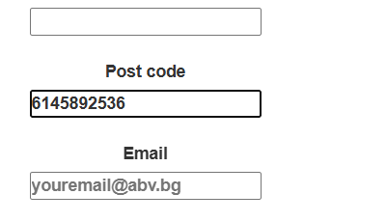 New
DF_23 |  | Invalid email id accepted for registration | 1. Open Chrome browser 2. Type the URL as https://demo.guru99.com/test/newtours/ 3.Click Insurance project 4.click register 5.Enter invalid email 6. click create | Major | HIGH | Ananya | QA Lead | New | 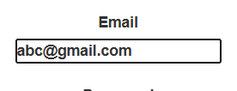
DF_24 |  | The registration form accepted future year for date of birth | 1. Open Chrome browser 2. Type the URL as https://demo.guru99.com/test/newtours/ 3.Click Insurance project 4.click register 5.Enter future year for date of birth 6. click create | Major | HIGH | Ananya | QA Lead | New
DF_25 |  | In request quotation incident accepted number | 1. Open Chrome browser 2. Type the URL as https://demo.guru99.com/test/newtours/ 3.Click Insurance project 4.Enter valid email and password 5.Click log in 6. Click request quotation 7. Enter incident as alphabets 8. click calculated premium | Critical | HIGH | Ananya | QA Lead | 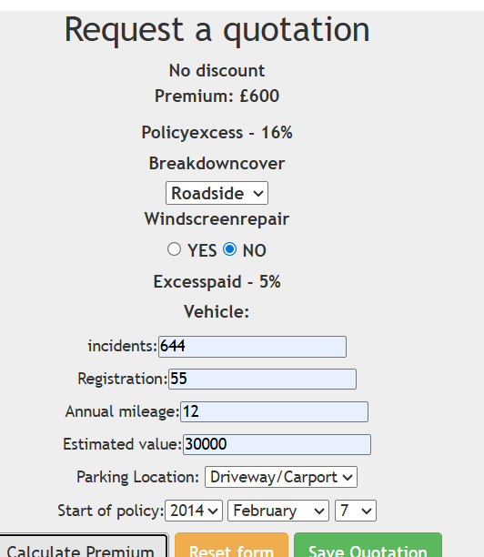 New
DF_26 |  | In request quotation Annual mileage accepted number | 1. Open Chrome browser 2. Type the URL as https://demo.guru99.com/test/newtours/ 3.Click Insurance project 4.Enter valid email and password 5.Click log in 6. Click request quotation 7. Enter annual mileage as alphabets 8. click calculated premium | Critical | HIGH | Ananya | QA Lead | 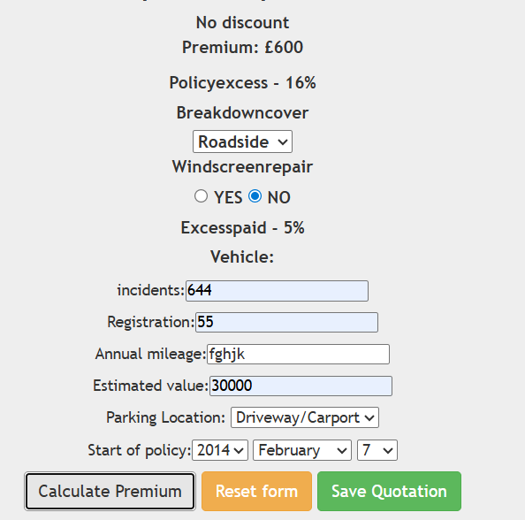 New
DF_27 |  | After entering all data in edit profile, the update user button is not clickable | 1. Open Chrome browser 2. Type the URL as https://demo.guru99.com/test/newtours/ 3.Click Insurance project 4.Enter valid email and password 5.Click log in 6. Click Edit profile 7. Enter all mandatory fields 8. click update user | Critical | HIGH | Ananya | QA Lead | 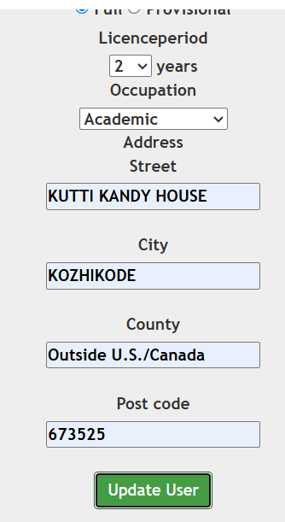 New
DF_28 |  | In profile , there is no data showed | 1. Open Chrome browser 2. Type the URL as https://demo.guru99.com/test/newtours/ 3.Click Insurance project 4.Enter valid email and password 5.Click log in 6. Click profile | Critical | HIGH | Ananya | QA Lead | 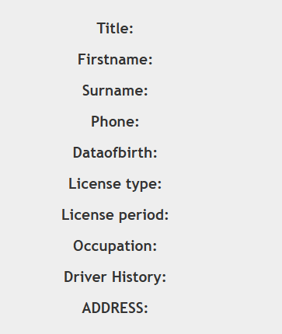 New
DF_29 |  | In agile project, any invallid number is accpeted for account number | 1. Open Chrome browser 2. Type the URL as https://demo.guru99.com/test/newtours/ 3.Click Agile project 4.Enter valid username and password 5.click ministatement 6.Enter invalid account number 7. submit | Critical | HIGH | Ananya | QA Lead | New
DF_30 |  | There is no option for typing account number | 1. Open Chrome browser 2. Type the URL as https://demo.guru99.com/test/newtours/ 3.Click Agile project 4.Enter valid username and password 5.click ministatement 6.Enter invalid account number 7. submit | Low | MEDIUM | Ananya | QA Lead | 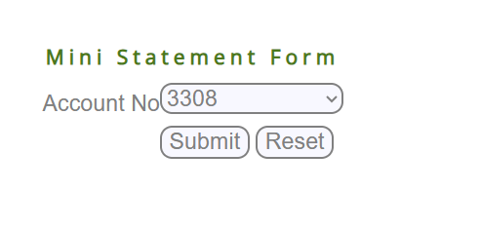 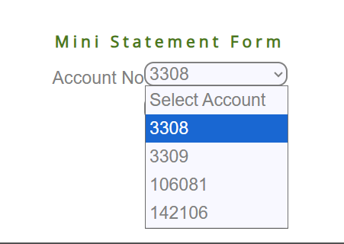 New
DF_31 |  | Home button is not navigating to home page | 1. Open Chrome browser 2. Type the URL as https://demo.guru99.com/test/newtours/ 3.Click Agile project 4.Enter valid username and password 5.click ministatement 6.Click home | Medium | MEDIUM | Ananya | QA Lead | New
DF_32 |  | In Bank project, not able to create new cutomer | 1. Open Chrome browser 2. Type the URL as https://demo.guru99.com/test/newtours/ 3.Click Bank project 4.Enter valid username and password 5.click new customer 6.Enter all mandatory field inputs 7. click create customer | Critical | HIGH | Ananya | QA Lead |  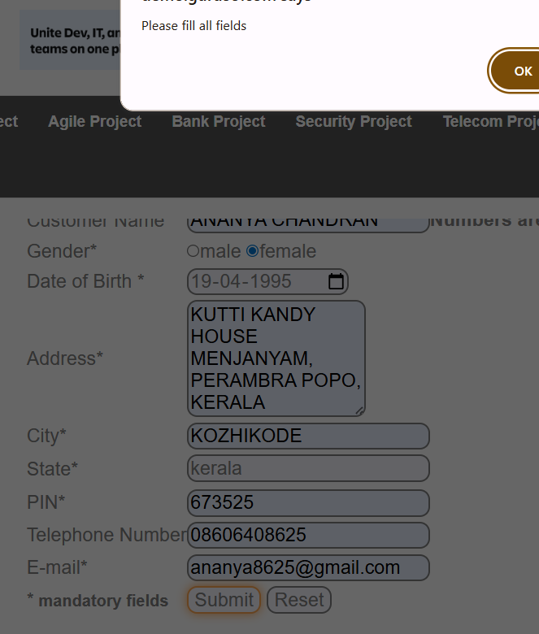 New
DF_33 |  | Edit customer is not working | 1. Open Chrome browser 2. Type the URL as https://demo.guru99.com/test/newtours/ 3.Click Bank project 4.Enter valid username and password 5.click edit customer | Critical | HIGH | Ananya | QA Lead | New
DF_34 |  | Delete customer is not working | 1. Open Chrome browser 2. Type the URL as https://demo.guru99.com/test/newtours/ 3.Click Bank project 4.Enter valid username and password 5.click Delete customer | Critical | HIGH | Ananya | QA Lead | New
DF_35 |  | New account is not working | 1. Open Chrome browser 2. Type the URL as https://demo.guru99.com/test/newtours/ 3.Click Bank project 4.Enter valid username and password 5.click new account 6.enter all mandatory field 7.click submit | Critical | HIGH | Ananya | QA Lead | New | 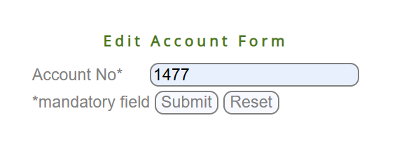
DF_36 |  | Edit account is not working | 1. Open Chrome browser 2. Type the URL as https://demo.guru99.com/test/newtours/ 3.Click Bank project 4.Enter valid username and password 5.click edit account 6.enter all mandatory field 7.click submit | Critical | HIGH | Ananya | QA Lead | New
DF_37 |  | delete account is not working | 1. Open Chrome browser 2. Type the URL as https://demo.guru99.com/test/newtours/ 3.Click Bank project 4.Enter valid username and password 5.click delete account 6.enter all mandatory field 7.click submit | Critical | HIGH | Ananya | QA Lead | New
DF_38 |  | Mini statement is not working | 1. Open Chrome browser 2. Type the URL as https://demo.guru99.com/test/newtours/ 3.Click Bank project 4.Enter valid username and password 5.click mini statement 6.enter all mandatory field 7.click submit | Critical | HIGH | Ananya | QA Lead | New
DF_39 |  | Customised statement is not clickable , because of overlapping | 1. Open Chrome browser 2. Type the URL as https://demo.guru99.com/test/newtours/ 3.Click Bank project 4.Enter valid username and password 5.click customised statement | Critical | HIGH | Ananya | QA Lead | 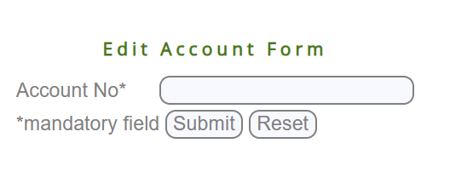 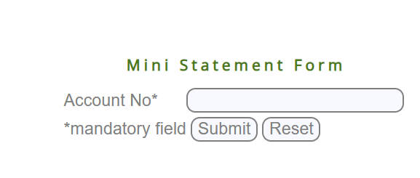 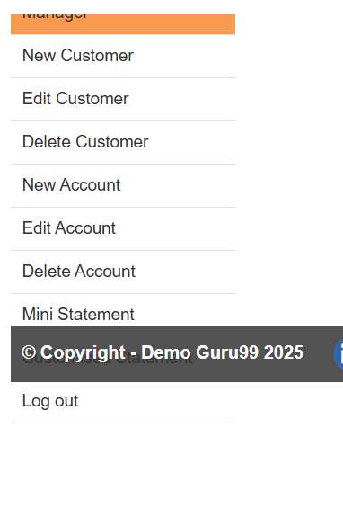 New
DF_40 |  | Home button is not redirecting to home page | 1. Open Chrome browser 2. Type the URL as https://demo.guru99.com/test/newtours/ 3.Click Bank project 4.Enter valid username and password 5.click customised statement 6.click home | Medium | MEDIUM | Ananya | QA Lead | New
DF_41 |  | In telecom project, unauthorised email is accepting | 1. Open Chrome browser 2. Type the URL as https://demo.guru99.com/test/newtours/ 3.Click Telecom project 4.Click add customer 5.enter unauthorised email id 6.click submit | Critical | HIGH | Ananya | QA Lead | New
DF_42 |  | Invalid phone number is accepting | 1. Open Chrome browser 2. Type the URL as https://demo.guru99.com/test/newtours/ 3.Click Telecom project 4.Click add customer 5.enter invalid phone number 6.click submit | Critical | HIGH | Ananya | QA Lead | 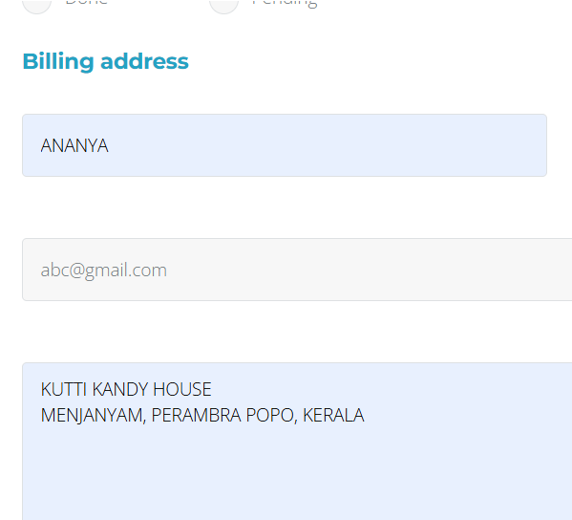 New
DF_43 |  | Without selecting tariff plan, it is added to the list | 1. Open Chrome browser 2. Type the URL as https://demo.guru99.com/test/newtours/ 3.Click Telecom project 4.Click add tariff plan to customer 5.enter valid id 6.click submit 7. add tariff plan to cutomer | Critical | HIGH | Ananya | QA Lead | New
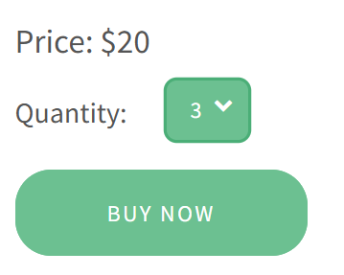
DF_44 |  | In payment gateway, quantity drop is only 9 number available | 1. Open Chrome browser 2. Type the URL as https://demo.guru99.com/test/newtours/ 3.Click payment gateway project 4.Click quantity 5.check dropdown options | Medium | MEDIUM | Ananya | QA Lead | 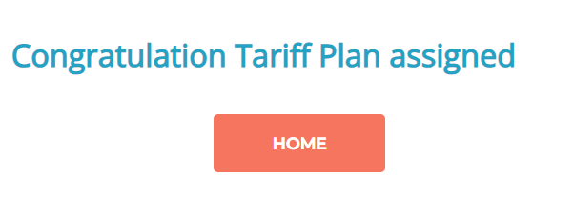 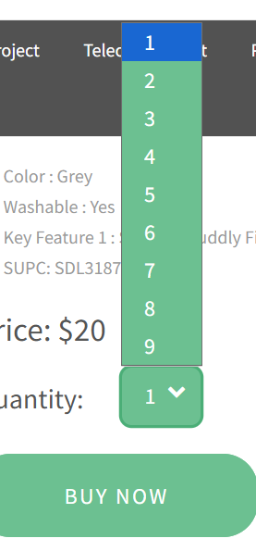 New
DF_45 |  | After selecting quantity , the price is not changing | 1. Open Chrome browser 2. Type the URL as https://demo.guru99.com/test/newtours/ 3.Click payment gateway project 4.Click quantity 5select any number 6. check payment amount is changing or not | Critical | HIGH | Ananya | QA Lead | New
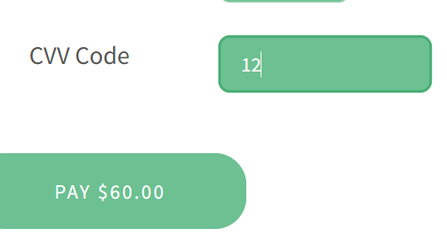
DF_46 |  | Accepting invalid card number | 1. Open Chrome browser 2. Type the URL as https://demo.guru99.com/test/newtours/ 3.Click payment gateway project 4.Click quantity 5. select any number 6.click buy now 7. enter any 16 digit number 8. click pay now | Critical | HIGH | Ananya | QA Lead | New
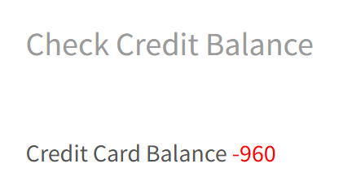
DF_47 |  | Accepting CVV number less than 3 | 1. Open Chrome browser 2. Type the URL as https://demo.guru99.com/test/newtours/ 3.Click payment gateway project 4.Click quantity 5. select any number 6.click buy now 7. enter all fields data 8. CVV should be <3 | Critical | HIGH | Ananya | QA Lead | New
DF_48 |  | Credit card limit option is accepting invalid card number | 1. Open Chrome browser 2. Type the URL as https://demo.guru99.com/test/newtours/ 3.Click payment gateway project 4.Click credit card limit 5. enter invalid card number 8.click submit | Critical | HIGH | Ananya | QA Lead | New

